1.ANNOVA
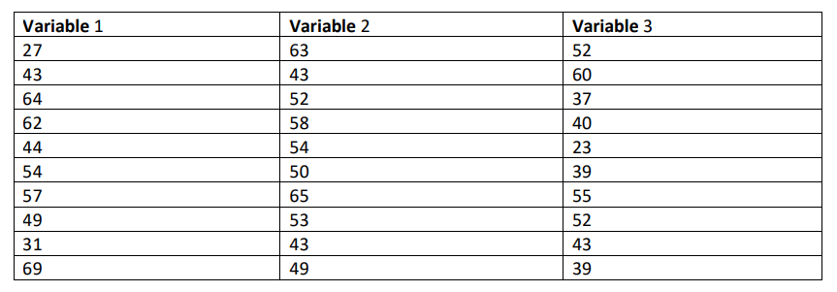
1.ANOVA – Determine the Analysis of Variance for the below variables
 |  | VAR1 | VAR2 | VAR3 | sum of with in grp A |  | sum of with in grp B |  | sum of with in grp C
 |  | 27 | 63 | 52 | 23 | 529 | -10 | 100 | -8 | 64
 |  | 43 | 43 | 60 | 7 | 49 | 10 | 100 | -16 | 256
 |  | 64 | 52 | 37 | -14 | 196 | 1 | 1 | 7 | 49
 |  | 62 | 58 | 40 | -12 | 144 | -5 | 25 | 4 | 16
 |  | 44 | 54 | 23 | 6 | 36 | -1 | 1 | 21 | 441
 |  | 54 | 50 | 39 | -4 | 16 | 3 | 9 | 5 | 25
 |  | 57 | 65 | 55 | -7 | 49 | -12 | 144 | -11 | 121
 |  | 49 | 53 | 52 | 1 | 1 | 0 | 0 | -8 | 64
 |  | 31 | 43 | 43 | 19 | 361 | 10 | 100 | 1 | 1
 |  | 69 | 49 | 39 | -19 | 361 | 4 | 16 | 5 | 25
 | mean of A,B,C | 50 | 53 | 44 |  | 1742 |  | 496 |  | 1062
 | mean of Tot | 49

 | Tot mean - each group mean | -1 | -4 | 5
 | Sum of square Group(s) | 1 | 16 | 25 | 42
 | SSG | 420
 | dfgroup | 2
 | SSE | 3300
 | dfwithingrp | 27
 | F | 1.7181818182

 | F distribution with 95% confidence critical value | 3.35

 | H0 | mean A=mean B =mean C
 | F < F critical | 1.718 < 3.35
 | So reject the null Hypothesis

2.ANOVA stocks
2. Determine the ANOVA for below stocks


 |  | FIN | Energy | Utilities | sum of with in grp A |  | sum of with in grp B |  | sum of with in grp C
 |  | 10.76 | 12.72 | 11.88 | 0.825 | 0.680625 | 1.12625 | 1.2684390625 | -2.9675 | 8.80605625
 |  | 15.05 | 13.91 | 5.86 | -3.465 | 12.006225 | -0.06375 | 0.0040640625 | 3.0525 | 9.31775625
 |  | 17.01 | 6.43 | 13.46 | -5.425 | 29.430625 | 7.41625 | 55.000764062 | -4.5475 | 20.67975625
 |  | 5.07 | 11.19 | 9.9 | 6.515 | 42.445225 | 2.65625 | 7.0556640625 | -0.9875 | 0.97515625
 |  | 19.5 | 18.79 | 3.95 | -7.915 | 62.647225 | -4.94375 | 24.440664063 | 4.9625 | 24.62640625
 |  | 8.16 | 20.73 | 3.44 | 3.425 | 11.730625 | -6.88375 | 47.386014063 | 5.4725 | 29.94825625
 |  | 10.38 | 9.6 | 7.11 | 1.205 | 1.452025 | 4.24625 | 18.030639062 | 1.8025 | 3.24900625
 |  | 6.75 | 17.4 | 15.7 | 4.835 | 23.377225 | -3.55375 | 12.629139063 | -6.7875 | 46.07015625
 | Mean of wg | 11.585 | 13.84625 | 8.9125 |  | 183.7698 |  | 165.8153875 |  | 143.67255
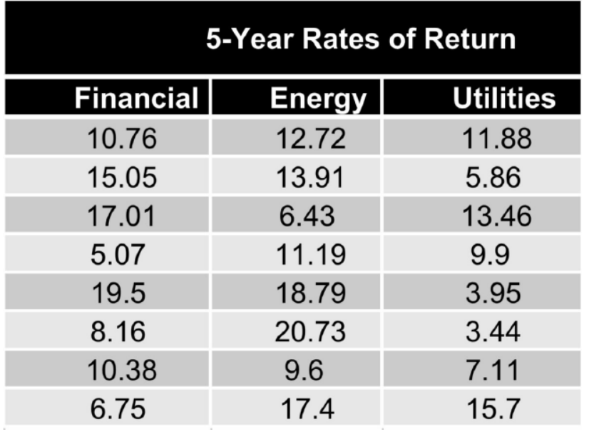
 | S | 5.1237514159 | 4.8670229607 | 4.5304138884
 | Varianec | 26.252828571 | 23.6879125 | 20.52465
 | Mean of Total | 11.447916667

 | Tot mean - each group mean | -0.13708333333 | -2.3983333333 | 2.5354166667
 | Sum of square Group(s) | 0.018791840278 | 5.7520027778 | 6.4283376736 | 12.199132292
 | SSG | 97.593058333
 | df(g) | 2
 | SSE | 493.2577375
 | df(wg) | 21
 | F value | 2.0774678927

 | F distribution with 95% confidence critical value | 3.4668

 | H0 | mean A=mean B =mean C
 | F < F critical | 2.0774 < 3.4668
 | So reject the null Hypothesis and Accept the alternate hypothesis

3.Perform F distribution
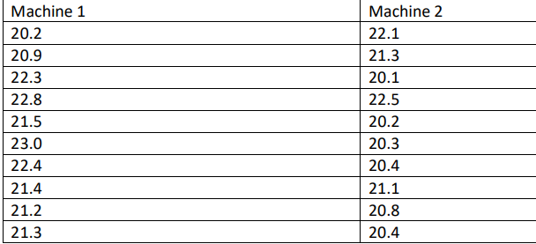
3. Perform hypothesis test for 2 sample variances with F – distribution for below scenario a. A machine produces metal sheet with 20mm thickness. There is a variability in thickness due to machine, operators, manufacturing environment, raw material etc. The company wants to know the consistency of the two machines and randomly sample 10 sheets from machine 1 and 10 sheets from machine 2. Thickness measurements are taken. Assume sheet thickness is normally distributed in the population. The company wants to know if the variance from each samples have equal population variance or not. How do you test this? b. Frame your hypothesis and justify accept or reject the H0 or Ha for below table |  | Mac1 | Mac2
 |  | 20.2 | 22.1
 |  | 20.9 | 21.3
 |  | 22.3 | 20.1
 |  | 22.8 | 22.5
 |  | 21.5 | 20.2
 |  | 23 | 20.3
 |  | 22.4 | 20.4
 |  | 21.4 | 21.1
 |  | 21.2 | 20.8
 |  | 21.3 | 20.4
 | Variance | 0.79777777778 | 0.68844444444
 | n | 10
 | F | 1.1588121369

 | H0 | FALSE
 | H1 | TRUE
 | v1 | 9
 | v2 | 9
 |  |  |  | 0.975 | 9 | 9 | 0.24838585469
 | F0.025,9,9 | 4.026
 | F0.975,9,9 | 0.2483

 | Population variance are not equal, hence reject the null hypothesis

6.Z-test
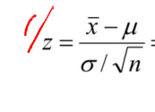
Perform Z-test for the below application a. According to a recent survey, the daily one-way commute distance of U.S. worker averages 15 miles with standard deviation of 14 miles. An investigator wishes to determine whether the national average describes the mean commuting distance for all workers in New York area. Commuting distances are obtained for a random sample of 169 workers from this area, and the mean distance is found to be 16 miles. b. Test the hypothesis at the 0.10 significant level
 | mean | 15

 | sample size | 169
 | sample mean | 16
 | std | 14
 | sig.level | 0.1

 | h0 | equal to 15
 | h1 | not equal to 15

 | z | 0.92857142857

 | at 90% sig.level | 1.2816

 | H0 | FALSE
 | H1 | TRUE

